Summary
 | LULULEMON ATHLETICA INC. | | Per Share Valuation Summary

 | Low | Median | Extra | High | EV
Discounted Cash Flow (60%) | 234.6 | 26.1 | 8.5 | 17.6 | 338.2
Market Multiples: Price to Earnings (20%) | 392.0 | 43.6 | 8.5 | 35.1 | 338.2
Market Multiples: EV to Sales (20%) | 425.8 | 47.3 | 8.5 | 38.9 | 338.2

Models

Valuation Methodology |  |  | Low (-10%) | Median | High (+10%) | Weights | Baseline Metrics ($B): | 2025-01-31 | Per Share
Discounted Cash Flow |  |  | $234.63 | $260.70 | $286.77 | 60.0% | Revenue | $10.6 | $86.2
Market Multiples: Price to Earnings |  |  | $391.99 | $435.54 | $479.10 | 20.0% | Gross Margin | $6.6 | $53.9
Market Multiples: EV to Sales |  |  | $425.81 | $473.12 | $520.43 | 20.0% | Operating Income | $2.4 | $19.4
 |  |  |  |  |  |  | Net Income | $1.7 | $13.9
Target Price (12-Month) |  |  | $304.34 | $338.15 | $371.97 | 100%

Current Price |  |  |  | $286.76
Upside from Current Price (12 Month) |  |  |  | 17.9%
Expected Alpha (12 Month) |  |  |  | 6.6%

Graph Options -- Do Not Change!
 |  | Low | Median | Extra | High | EV
Discounted Cash Flow (60%) |  | 234.6 | 26.1 | 8.5 | 17.6 | 338.2
Market Multiples: Price to Earnings (20%) |  | 392.0 | 43.6 | 8.5 | 35.1 | 338.2
Market Multiples: EV to Sales (20%) |  | 425.8 | 47.3 | 8.5 | 38.9 | 338.2

DDM
Dividend Discount Model
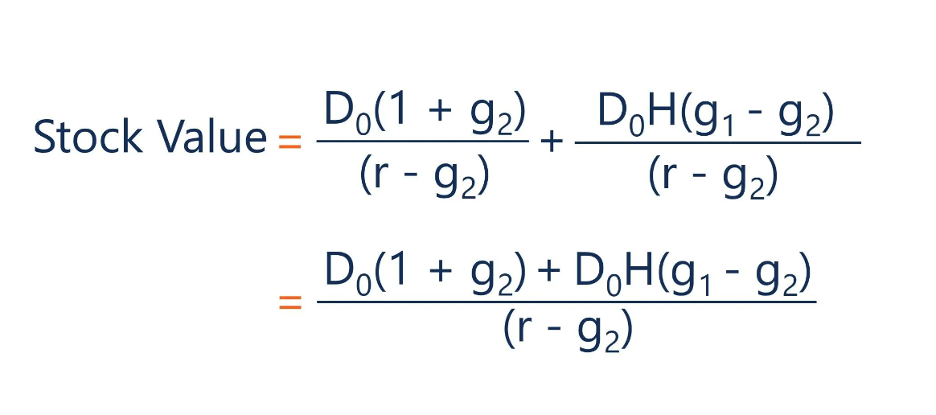
Cost of Equity (r) | 11.35%
Terminal Growth Rate (g) | 2.50%
D0

Calendar Year | 2025-01-31 | 2026-01-31 | 2027-01-31 | 2028-01-31 | 2029-01-31
Dividend Growth Rate (YoY)
Dividend per Share | - | - | - | - | -
Terminal Value |  |  |  |  | -
Total Cash Flow | - | - | - | - | -

Present Value of Cash Flows |  |  |  |  | $0.00
12-Month Target Price |  |  |  |  | $0.00

